Overview
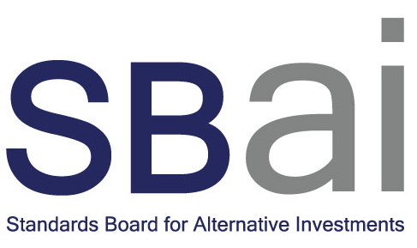

22-Mar-21

SBAI: Standards and Guidance

This document contains the Alternative Investment Standards and Guidance and is designed to faciliate a fund manager's internal due diligence of conformity with the Standards.

Note: Amendments made in 03/2021 reflect updating links in guidance notes to the most up to date information and format changes only. The latest amendments to the Standards were made in 11/2015, following CP4.

Introduction

Disclosure
Valuation
Risk
Fund governance
Shareholder conduct

Appendix A: Examples of Leverage
Appendix B: Examples of Functions often covered by Service Level Agreements (SLA)
Appendix C: Examples of Compliance Procedures Designed to Identify, Detect and Prevent Market Abuse
Appendix D: Examples of Non-Binding Guidance to Determine Similarity

